Withdrawal Projections
Withdrawal Projection

 | Desired Income
 | Sustainable Withdrawal Rate (see table below) | 2.12%
 |  |  | =
 | Assets Needed

 | Estimated Assets at Retirement
 | Sustainable Withdrawal Rate (see table below) | 2.12%
 |  |  | =
 | Estimated Income

 | Calculator by Life Benefits, LLC - www.life-benefits.com

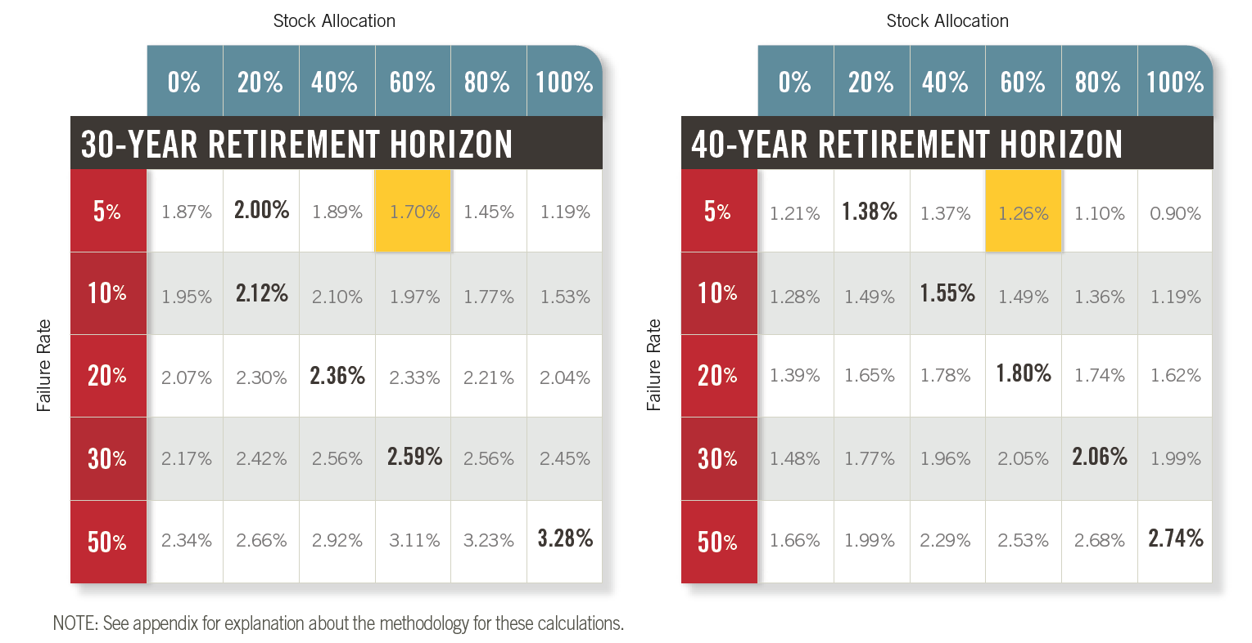

Withdrawal Tables from Rethinking Retirement report by Dr. Wade Pfau

